Dealer Price List
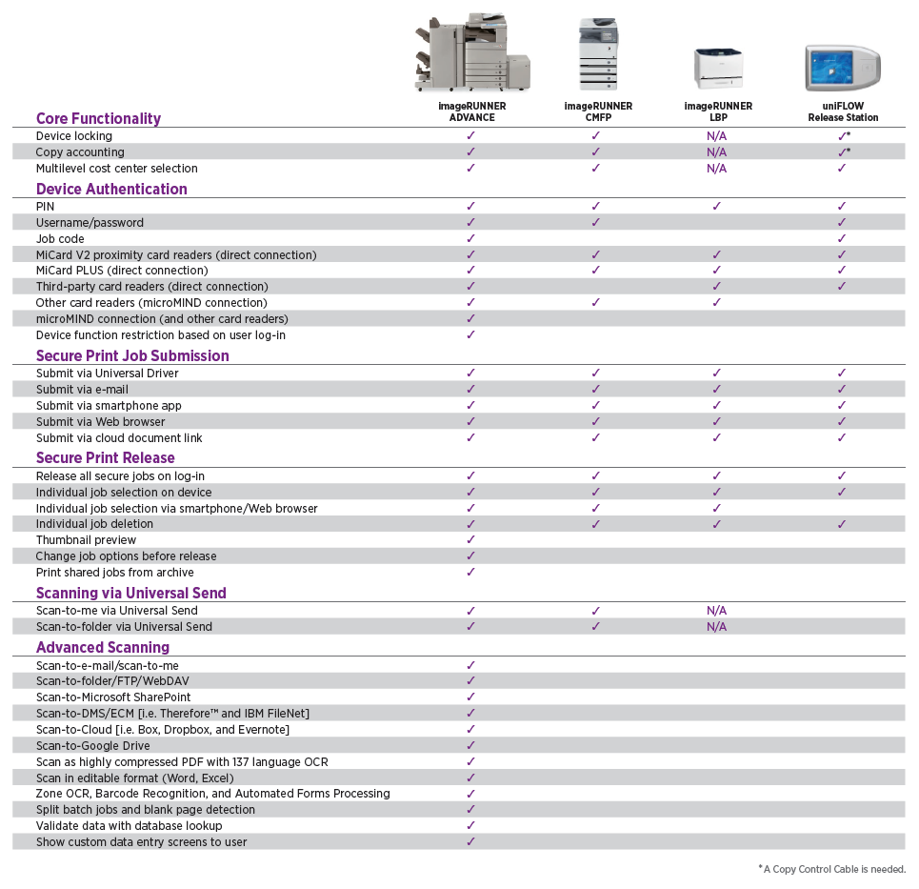
Canon |  | Dealer Price List
uniFLOW |  | Version 2 Effective Date: January 6, 2025

Terms & Conditions

Terms:
• Net 30 days for all uniFLOW products.

Conditions:
• All orders must be placed through C.N.A.
• All orders are subject to credit approval.
• Prices are F.O.B. from the nearest Canon warehouse, where the products ordered are then available.
• Prices are subject to change pursuant to your applicable Canon U.S.A., Inc. Dealer Agreement.
• All orders for SA Points after the initial purchase must include the existing uniFLOW Base Serial #.
• All uniFLOW orders will be shipped electronically, via Email, except for Hardware and Hardware Accessory items.
• All uniFLOW orders must include the following label information to ensure accurate and timely delivery:
 | • End-User Customer Name | • End-User Customer Address
 | • Installer Email | • End-User Customer Email
 | • Dealer Sales Rep Email | • Dealer Name
 | • PS # | • CUSA Sales Rep Email
 | • uF Base Serial # | • Project ID
 | Note: Inputting label information is required on ALL items ordered, but not all labels are applicable to each item.

 | THIS CANON U.S.A., INC. DEALER PRICE LIST IS CONFIDENTIAL
 | AND FOR AUTHORIZED DEALERS' USE ONLY.

<*> uniFLOW includes 1 year of Maintenance & Support (Software Assurance - SA Points) in the base price of the product.
Software Assurance for uniFLOW is defined by a point system. The SA Points column indicates the number of SA Points required for
1 additional year of Maintenance & Support. More information is available on the Partner Portal.
For upfront purchases of SA Points (during the initial order), the uniFLOW Base Serial # is not required.
However, for later purchases of SA Points, the uniFLOW Base Serial # is required.

<#> These items can be ordered by any Dealership without engaging Canon U.S.A. Professional Services, as long as at least one
Systems Engineer from the Dealership has completed the uniFLOW Technical Training course, and passed the certification test.
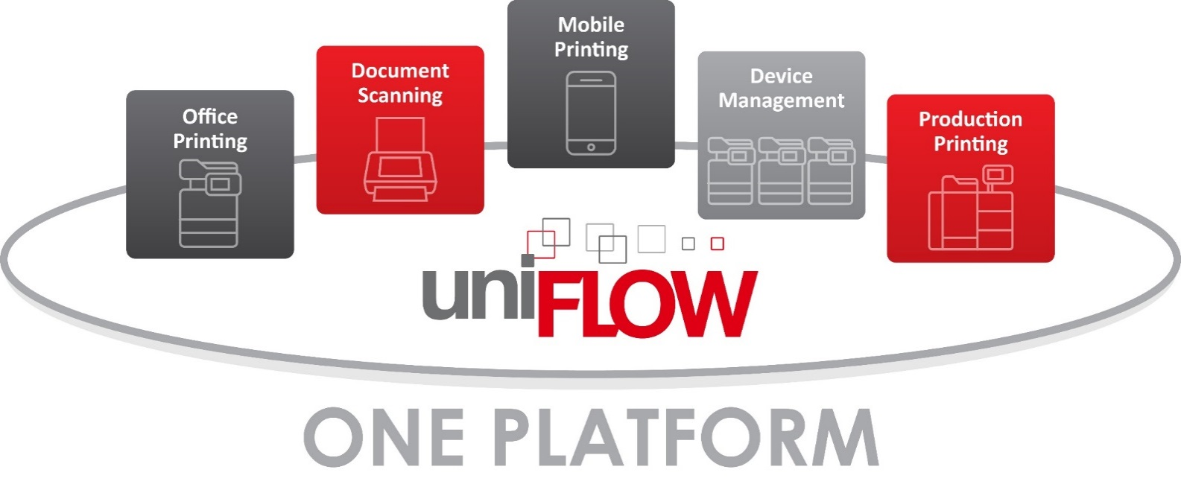

Revision History
Version 2 Effective Date: January 1, 2025
1) Item 3575B078AA, MIFARE Card - 10 Pack, discontinued and removed
2) Item 3575B077AA, Legic Card - 10 Pack, discontinued and removed
3) Item 3575B204AA, Magnetic Card - 10 Pack, discontinued and removed
4) Item 3575B203AA, HID Card - 10 Pack, discontinued and removed
5) CORRECTION - The description for item 3575BA77AA should be MiCard MultiTech4-NT-PI BLE (page 10)

Version 1 Effective Date: January 1, 2025
1) Item 3575B078AA, MIFARE Card - 10 Pack, will be discontinued
2) Item 3575B077AA, Legic Card - 10 Pack, will be discontinued
3) Item 3575B204AA, Magnetic Card - 10 Pack, will be discontinued
4) Item 3575B203AA, HID Card - 10 Pack, will be discontinued

Previous Changes Effective Date: July 1, 2024
1) MSRP increased on all highlighted items
2) NEW - Item 3575BA82AA, MiCard PLUS C, added
3) NEW - Item 3575BA76AA, MiCard MultiTech4-NT-P BLE, added
4) NEW - Item 3575BA77AA, MiCard MultiTech4-NT-PI BLE, added
5) NEW - Item 3575BA83AA, MiCard PLUS C Showroom offer (pack of two), added
6) NEW - Item 3575BA78AA, MiCard MultiTech4-NT-P BLE Showroom offer (pack of two), added
7) Email address updated under uniFLOW Upgrades
8) Item code 3575B506AA, Special Unit, moved from under uniFLOW Release Station Extended Warranty to NT-ware Professional Services
9) Item 83575B504AA, MiCard PLUS SC, discontinued and removed
10) Item 3575B477AA, MiCard PLUS Showroom offer (pack of two), discontinued and removed
11) Item 3575B849AA, MiCard MultiTech4-PI BLE, discontinued and removed
12) Item 3575B136AA, PC Prox Cable, discontinued and removed
13) Item 3575B463AA, uniFLOW Release Station Stand, discontinued and removed
14) Item 3575B511AA, uniFLOW for SMB - Print Device License for MEAP + MiCard PLUS SC, discontinued and removed
15) Item 3575B617AA, MiCard v3 Multi for public sector Short Cable, discontinued and removed
16) Item 3575B557AA, Release Station Extended Warranty 2 yr, discontinued and removed
17) Item 3575B558AA, Release Station Extended Warranty 3 yr, discontinued and removed
18) Item 3575B559AA, Release Station Extended Warranty 4 yr, discontinued and removed
19) Item 3575B560AA, Release Station Extended Warranty 5 yr, discontinued and removed
20) Item 3575B478AA, MiCard v3 MULTI Showroom offer (pack of two), discontinued and removed
21) Item 3575B480AA, uniFLOW Release Station MiCard Multi V3 Showroom, discontinued and removed
22) Item 3575B482AA, Card-test package Multi and PLUS, discontinued and removed
23) The picture of the card reader was removed from under MiCard PLUS C Supported Card Types

Price List Index |  |  |  |  | Page
uniFLOW Server Editions Add-on |  |  |  |  | 4
uniFLOW Login Manager |  |  |  |  | 5
uniFLOW Secure Printing (SPP) & Scanning Bundle |  |  |  |  | 5
uniFLOW Secure Printing (SPP) |  |  |  |  | 6
uniFLOW Secure Printing (SPP) CAC/PIV [Government Only] |  |  |  |  | 7
uniFLOW Scanning |  |  |  |  | 8
uniFLOW Software Accessories |  |  |  |  | 9
uniFLOW Hardware |  |  |  |  | 10
uniFLOW Hardware Accessories |  |  |  |  | 11
uniFLOW for SMB (Device-Based License Editions) |  |  |  |  | 12
uniFLOW Capture (Device-Based License Editions) |  |  |  |  | 13
uniFLOW for SMB & uniFLOW Capture Software Accessories |  |  |  |  | 13
uniFLOW for SMB & uniFLOW Capture Hardware |  |  |  |  | 14
uniFLOW for SMB & uniFLOW Capture Hardware Accessories |  |  |  |  | 15
uniFLOW for Education Sector |  |  |  |  | 16
Legacy uniFLOW for Education Sector |  |  |  |  | 18
uniFLOW for Public Sector |  |  |  |  | 18
uniFLOW Server Editions for FED, State, and Government |  |  |  |  | 18
uniFLOW Upgrades |  |  |  |  | 19
Extended Maintenance & Support (Software Assurance) |  |  |  |  | 20
uniFLOW Release Station Extended Warranty |  |  |  |  | 21
Professional Services |  |  |  |  | 22
uniFLOW Not-for-Resale & Demo Systems |  |  |  |  | 23
uniFLOW Technical Training |  |  |  |  | 23
Footnotes & Descriptions |  |  |  |  | 24
Module Dependencies |  |  |  |  | 27
Additional Scan Workflow Licenses & Scan Destinations Information |  |  |  |  | 28
MiCard PLUS Supported Card Types |  |  |  |  | 29
MiCard MultiTech 4 Supported Card Types |  |  |  |  | 30
uniFLOW Software Assurance (SA Points) Information |  |  |  |  | 31
Opening a MOMPS # |  |  |  |  | 33
Opening a MINDR Ticket |  |  |  |  | 34
Device Connections |  |  |  |  | 35

uniFLOW Server Editions Add-on
Workgroup Edition (50 Users - Floating)
Item Code | Description |  | SA Points | Dealer Price | MSRP
3575B025AA | Standard Module, Workgroup Edition <*><#><5> |  | 9 | $622 | $830
3575B134AA | Remote Print Server, Workgroup Edition <*><#> |  | 9 | $622 | $830

Business Edition (250 Users - Floating)
Item Code | Description |  | SA Points | Dealer Price | MSRP
3575B020AA | Standard Module, Business Edition <*><#><5> |  | 9 | $622 | $830
3575B023AA | Remote Print Server, Business Edition <*><#> |  | 9 | $622 | $830

Corporate Edition (500 Users - Floating)
Item Code | Description |  | SA Points | Dealer Price | MSRP
3575B015AA | Standard Module, Corporate Edition <*><#><5> |  | 21 | $1,407 | $1,880
3575B018AA | Remote Print Server, Corporate Edition<*><#> |  | 12 | $828 | $1,110

Enterprise Edition (Unlimited Users)
Item Code | Description |  | SA Points | Dealer Price | MSRP
3575B006AA | Standard Module, Enterprise Edition <*><#><5> |  | 34 | $2,299 | $3,070
3575B009AA | Remote Print Server, Enterprise Edition <*><#> |  | 17 | $1,159 | $1,550
3575B010AA | 10-Pack Remote Print Server, Enterprise Edition <*><#> |  | 152 | $10,434 | $13,920
3575B012AA | 25-Pack Remote Print Server, Enterprise Edition <*><#> |  | 359 | $24,738 | $32,990
3575B013AA | Unlimited Remote Print Server, Enterprise Edition <*><#> |  | 1800 | $124,200 | $165,600
<5> With one "Standard Module, Server-based Edition," you can activate one of the following modules: Statistics, Secure Public Printing, Desktop Accounting,
Rules & Routing, External Budget Connector, CRD Printing, Web Submission, and Application Connector. For Module Dependencies, please see page 21.

uniFLOW Login Manager
uniFLOW Login Manager
Item Code | Description |  | SA Points | Dealer Price | MSRP
3575B258AA | uniFLOW Login Manager - 1 Device <*><#> |  | 0 | $164 | $220
3575B328AA | uniFLOW Login Manager - 5 Device <*><#> |  | 0 | $778 | $1,040
3575B259AA | uniFLOW Login Manager - 10 Device <*><#> |  | 0 | $1,442 | $1,930
3575B260AA | uniFLOW Login Manager - 25 Device <*><#> |  | 0 | $3,430 | $4,580
3575B261AA | uniFLOW Login Manager - 50 Device <*><#> |  | 0 | $6,502 | $8,670
3575B262AA | uniFLOW Login Manager - 75 Device <*><#> |  | 0 | $9,219 | $12,300
3575B263AA | uniFLOW Login Manager - 100 Device <*><#> |  | 0 | $11,583 | $15,450
3575B264AA | uniFLOW Login Manager - 250 Device <*><#> |  | 0 | $26,567 | $35,430

uniFLOW Secure Printing (SPP) & Scanning Bundle
uniFLOW Secure Public Print (SPP) and Scan Device License for MEAP - Provides Login + Secure Printing + Scan
Item Code | Description |  | SA Points | Dealer Price | MSRP
3575B590AA | SPP + Scan Device License for MEAP - 1 Device <*><#> |  | 7 | $927 | $1,240
3575B591AA | SPP + Scan Device License for MEAP - 5 Device <*><#> |  | 27 | $4,158 | $5,550
3575B592AA | SPP + Scan Device License for MEAP - 10 Device <*><#> |  | 47 | $7,434 | $9,920
3575B593AA | SPP + Scan Device License for MEAP - 25 Device <*><#> |  | 107 | $17,075 | $22,770
3575B594AA | SPP + Scan Device License for MEAP - 50 Device <*><#> |  | 192 | $31,141 | $41,530
3575B595AA | SPP + Scan Device License for MEAP - 75 Device <*><#> |  | 257 | $42,198 | $56,270
3575B596AA | SPP + Scan Device License for MEAP - 100 Device <*><#> |  | 301 | $50,244 | $67,000
3575B597AA | SPP + Scan Device License for MEAP - 250 Device <*><#> |  | 633 | $108,417 | $144,560

uniFLOW Secure Printing (SPP)
uniFLOW Secure Public Print (SPP) Device License for MEAP - Provides Login + Secure Printing
Item Code | Description |  | SA Points | Dealer Price | MSRP
3575B028AA | SPP Device License for MEAP - 1 Device <*><#> |  | 3 | $394 | $530
3575B308AA | SPP Device License for MEAP - 5 Device <*><#><56> |  | 10 | $1,801 | $2,410
3575B029AA | SPP Device License for MEAP - 10 Device <*><#><56> |  | 17 | $3,240 | $4,320
3575B030AA | SPP Device License for MEAP - 25 Device <*><#><56> |  | 38 | $7,522 | $10,030
3575B031AA | SPP Device License for MEAP - 50 Device <*><#><56> |  | 68 | $13,890 | $18,520
3575B032AA | SPP Device License for MEAP - 75 Device <*><#><56> |  | 91 | $19,110 | $25,480
3575B033AA | SPP Device License for MEAP - 100 Device <*><#><56> |  | 107 | $23,176 | $30,910
3575B161AA | SPP Device License for MEAP - 250 Device <*><#><56> |  | 224 | $51,362 | $68,490
<56> The above multiple Device License tiers (5, 10, 25, 50, 75, 100, and 250) can be used on all MEAP enabled devices, including 3rd Generation imageRUNNER ADVANCE.

uniFLOW Secure Public Print (SPP) Upgrade -
Upgrade to Secure Print functionality if uniFLOW Login Manager is already purchased
Item Code | Description |  | SA Points | Dealer Price | MSRP
3575B265AA | SPP Addition for MEAP - 1 Device <*><#> |  | 3 | $230 | $310
3575B309AA | SPP Addition for MEAP - 5 Device <*><#> |  | 8 | $1,023 | $1,370
3575B266AA | SPP Addition for MEAP - 10 Device <*><#> |  | 13 | $1,800 | $2,400
3575B267AA | SPP Addition for MEAP - 25 Device <*><#> |  | 28 | $4,093 | $5,460
3575B268AA | SPP Addition for MEAP - 50 Device <*><#> |  | 51 | $7,389 | $9,860
3575B269AA | SPP Addition for MEAP - 75 Device <*><#> |  | 68 | $9,891 | $13,190
3575B270AA | SPP Addition for MEAP - 100 Device <*><#> |  | 80 | $11,593 | $15,460
3575B271AA | SPP Addition for MEAP - 250 Device <*><#> |  | 167 | $24,440 | $32,590

uniFLOW Secure Public Print (SPP) Device License for CMFP
Item Code | Description |  | SA Points | Dealer Price | MSRP
3575B197AA | SPP Device License for CMFP - 1 Device <*><#><6> |  | 1 | $147 | $200
3575B198AA | SPP Device License for CMFP - 10 Device <*><#><6> |  | 4 | $1,354 | $1,810
3575B199AA | SPP Device License for CMFP - 25 Device <*><#><6> |  | 9 | $3,299 | $4,400
3575B200AA | SPP Device License for CMFP - 50 Device <*><#><6> |  | 17 | $6,426 | $8,570
3575B201AA | SPP Device License for CMFP - 75 Device <*><#><6> |  | 24 | $9,379 | $12,510
3575B202AA | SPP Device License for CMFP - 100 Device <*><#><6> |  | 30 | $12,160 | $16,220
3575B416AA | SPP Device License for CMFP - 250 Device <*><#><6> |  | 68 | $29,540 | $39,390
<6> The CMFP license will activate embedded uniFLOW functionality on the imageRUNNER 2500 Series & 1700 Series, and the Color imageRUNNER C1030 Series.

uniFLOW Secure Public Print (SPP) Device License for SFP MEAP
Item Code | Description |  | SA Points | Dealer Price | MSRP
3575B322AA | SPP Device License for SFP MEAP - 1 Device <*><#><7> |  | 1 | $116 | $160
3575B323AA | SPP Device License for SFP MEAP - 10 Device <*><#><7> |  | 9 | $1,096 | $1,470
3575B324AA | SPP Device License for SFP MEAP - 25 Device <*><#><7> |  | 21 | $2,688 | $3,590
3575B325AA | SPP Device License for SFP MEAP - 50 Device <*><#><7> |  | 40 | $5,273 | $7,040
3575B326AA | SPP Device License for SFP MEAP - 75 Device <*><#><7> |  | 58 | $7,754 | $10,340
3575B327AA | SPP Device License for SFP MEAP - 100 Device <*><#><7> |  | 75 | $10,131 | $13,510
3575B417AA | SPP Device License for SFP MEAP - 250 Device <*><#><7> |  | 182 | $24,807 | $33,080
<7> The SFP license will activate embedded uniFLOW functionality on the imageRUNNER LBP3480 & LBP3580, and the Color imageRUNNER LBP5280 & LBP5480.

uniFLOW Secure Printing (SPP) (continued)
uniFLOW Secure Public Print (SPP) Device License for Océ Devices
Item Code | Description |  | SA Points | Dealer Price | MSRP
3575B519AA | SPP Device License for Océ Large Format Printer Low Volume <*><#><53> |  | 4 | $450 | $600
3575B520AA | SPP Device License for Océ Large Format Printer Mid Volume <*><#><53> |  | 6 | $544 | $725
<53> Please check the NT-ware Partner website for a list of supported Océ Devices.

uniFLOW Secure Public Print (SPP) Device License for Canon varioPRINT
Item Code | Description |  | SA Points | Dealer Price | MSRP
3575B743AA | uniFLOW SPP Device License for Canon varioPRINT 1 Device |  | 4 | $330 | $440

uniFLOW Secure Public Print (SPP) Device License for imagePROGRAF
Item Code | Description |  | SA Points | Dealer Price | MSRP
3575B963AA | SPP Device License for imagePROGRAF <70> |  | 1 | $147 | $200
<70> imagePROGRAF devices may require 4976C001AA RA-01 Attachment unit in order to connect USB MiCard Readers. Please refer to imagePROGRAF Price List for price info.

uniFLOW Secure Public Print (SPP) Device License for Multi-Vendor Devices
Item Code | Description |  | SA Points | Dealer Price | MSRP
3575B205AA | SPP Device License for Xerox - 1 Device <*><#><8> |  | 4 | $450 | $600
3575B233AA | SPP Device License for Hewlett Packard - 1 Device <*><#><8> |  | 4 | $450 | $600
3575B583AA | SPP Device License for OKI - 1 Device <*><#><8> |  | 4 | $450 | $600
3575B582AA | SPP Device License for Samsung - 1 Device <*><#><8> |  | 4 | $450 | $600
3575B584AA | SPP Device License for Konica Minolta - 1 Device <*><#><8> |  | 4 | $450 | $600
3575B729AA | SPP Device License for Lexmark - 1 Device <*><#><8> |  | 4 | $450 | $600
3575B730AA | SPP Device License for Sharp - 1 Device <*><#><8> |  | 4 | $450 | $600
3575B850AA | SPP Device License for Epson 1 Device <*><#><8> |  | 4 | $450 | $600
<8> Please check the NT-ware Partner website for a list of supported Multi-Vendor Devices.

uniFLOW Secure Printing (SPP) CAC/PIV [Government Only]
uniFLOW CAC/PIV Secure Public Print (SPP) Device License for MEAP
Item Code | Description |  | SA Points | Dealer Price | MSRP
3575B212AA | CAC SPP Device License for MEAP - 1 Device <*><#><9> |  | 3 | $394 | $530
3575B313AA | CAC SPP Device License for MEAP - 5 Device <*><#><9> |  | 10 | $1,801 | $2,410
3575B213AA | CAC SPP Device License for MEAP - 10 Device <*><#><9> |  | 17 | $3,240 | $4,320
3575B214AA | CAC SPP Device License for MEAP - 25 Device <*><#><9> |  | 38 | $7,522 | $10,030
3575B215AA | CAC SPP Device License for MEAP - 50 Device <*><#><9> |  | 68 | $13,890 | $18,520
3575B216AA | CAC SPP Device License for MEAP - 75 Device <*><#><9> |  | 91 | $19,110 | $25,480
3575B217AA | CAC SPP Device License for MEAP - 100 Device <*><#><9> |  | 107 | $23,176 | $30,910
3575B218AA | CAC SPP Device License for MEAP - 250 Device <*><#><9> |  | 224 | $51,362 | $68,490
<9> CIIS Professional Services must be engaged in all projects involving CAC/PIV integration with uniFLOW.

uniFLOW Scanning
uniFLOW Scanning Device License for MEAP - Provides Login + Scanning (uniFLOW Standard Module NOT required)
Item Code | Description |  | SA Points | Dealer Price | MSRP
3575B354AA | Scan Device License for MEAP - 1 Device <*><#><11> |  | 5 | $698 | $940
3575B355AA | Scan Device License for MEAP - 5 Device <*><#><11><56> |  | 20 | $3,135 | $4,180
3575B356AA | Scan Device License for MEAP - 10 Device <*><#><11><56> |  | 36 | $5,635 | $7,520
3575B357AA | Scan Device License for MEAP - 25 Device <*><#><11><56> |  | 81 | $12,983 | $17,320
3575B358AA | Scan Device License for MEAP - 50 Device <*><#><11><56> |  | 147 | $23,752 | $31,670
3575B359AA | Scan Device License for MEAP - 75 Device <*><#><11><56> |  | 196 | $32,306 | $43,080
3575B360AA | Scan Device License for MEAP - 100 Device <*><#><11><56> |  | 230 | $38,651 | $51,540
3575B361AA | Scan Device License for MEAP - 250 Device <*><#><11><56> |  | 486 | $83,977 | $111,970
<11> For enabling the scan interface on a MEAP enabled MFP, the uniFLOW Scan Device License for MEAP is required on each device where scanning will take place.
<56> The above multiple Device License tiers (5, 10, 25, 50, 75, 100, and 250) can be used on all MEAP enabled devices, including 3rd Generation imageRUNNER ADVANCE.

uniFLOW Scanning Upgrade -
Upgrade to Scanning functionality if uniFLOW Login Manager or uniFLOW SPP is already purchased
Item Code | Description |  | SA Points | Dealer Price | MSRP
3575B362AA | Scan Addition for MEAP - 1 Device <*><#><11> |  | 4 | $533 | $720
3575B363AA | Scan Addition for MEAP - 5 Device <*><#><11> |  | 17 | $2,358 | $3,150
3575B364AA | Scan Addition for MEAP - 10 Device <*><#><11> |  | 30 | $4,194 | $5,600
3575B365AA | Scan Addition for MEAP - 25 Device <*><#><11> |  | 69 | $9,554 | $12,740
3575B366AA | Scan Addition for MEAP - 50 Device <*><#><11> |  | 124 | $17,251 | $23,010
3575B367AA | Scan Addition for MEAP - 75 Device <*><#><11> |  | 166 | $23,088 | $30,790
3575B368AA | Scan Addition for MEAP - 100 Device <*><#><11> |  | 194 | $27,069 | $36,100
3575B369AA | Scan Addition for MEAP - 250 Device <*><#><11> |  | 409 | $57,056 | $76,080
<11> For enabling the scan interface on a MEAP enabled MFP, the uniFLOW Scan Device License for MEAP is required on each device where scanning will take place.

uniFLOW Scanning - Additional Scan Workflows
Item Code | Description |  | SA Points | Dealer Price | MSRP
3575B485AA | Additional Scan Workflow License <*><#><12> |  | 9 | $891 | $1,240
<12> This license allows scanning to a Scan-to-DMS/ECM destination, such as HP Worksite, FileNet, Content Server, and more. For each DMS/ECM destination,
an Additional Scan Workflow License is required. The Scan Device License for MEAP or the uniFLOW Capture Device License for MEAP is a prerequisite.
For a list of Additional Scan Workflows, please see page 22. A MOMPS # is required at the time of order. Please see page 26 for a guide on how to open a MOMPS #.

uniFLOW Image Log Module
Item Code | Description |  | SA Points | Dealer Price | MSRP
3575BA53AA | uniFLOW Image Log Device License for MEAP 1 device |  | 7 | $886 | $1,182
3575BA54AA | uniFLOW Image Log Device License for MEAP 10 device |  | 60 | $7,647 | $10,196
3575BA55AA | uniFLOW Image Log Device License for MEAP 25 device |  | 132 | $17,200 | $22,934
3575BA56AA | uniFLOW Image Log Device License for MEAP 50 device |  | 211 | $28,152 | $37,536
3575BA57AA | uniFLOW Image Log Device License for MEAP 75 device |  | 291 | $39,204 | $52,272
3575BA58AA | uniFLOW Image Log Device License for MEAP 100 device |  | 352 | $48,240 | $64,320
3575BA59AA | uniFLOW Image Log Device License for MEAP 250 device |  | 792 | $110,520 | $147,360

uniFLOW Scanning Volume Licenses - Only needed for Hot Folder Workflow
Item Code | Description |  | SA Points | Dealer Price | MSRP
3575B279AA | Scan Processing Server - Volume Package - 200,000 Scans per year <*><#><13> |  | 16 | $946 | $1,270
3575B280AA | Scan Processing Server - Volume Package - 600,000 Scans per year <*><#><13> |  | 42 | $2,552 | $3,410
3575B281AA | Scan Processing Server - Volume Package - 1 Million Scans per year <*><#><13> |  | 62 | $3,780 | $5,040
3575B282AA | Scan Processing Server - Volume Package - Unlimited <*><#><13> |  | 760 | $47,251 | $63,010
<13> The Scan Processing Server license provides the I.R.I.S. iDRS TM tools, and needs to be licensed and installed on each server where scan processing will
take place. This can either be the uniFLOW Server, the RPS, or a different server.

uniFLOW Scanning
uniFLOW Scanning Device License for imageFORMULA Scanners
Item Code | Description |  | SA Points | Dealer Price | MSRP
3575B518AA | Scan Device License for ScanFront & ScanKiosk <*><#><49> |  | 4 | $280 | $380
3575B677AA | uniFLOW Desktop Scan Client License <62> |  | 4 | $183 | $250
<49> For enabling the scan interface on a scanner, the uniFLOW Scan Device License is required on each device where scanning will take place.
Authorization to sell and service the imageFORMULA scanners is obtained separately from uniFLOW products.
<62> A uniFLOW Desktop Scan Client License enables one client application to connect one desktop scanner to one workstation.

uniFLOW Software Accessories
Optional Software for all uniFLOW Server Editions
Item Code | Description |  | SA Points | Dealer Price | MSRP
3575B273AA | Blackboard/CardSmith Budget Connector Plug-in <14> |  | 75 | $2,250 | $3,000
3575B304AA | File Format Conversion <*><#><16> |  | 18 | $350 | $470
3575B132AA | Job Conversion Instance <*><#><17> |  | 16 | $90 | $150
3575B413AA | PCL Job Conversion <*><#><18> |  | 16 | $946 | $1,270
<14> This plug-in supports the integration with Blackboard or CardSmith. A MOMPS # is required at the time of order. Please see page 26 for a guide on how to open a MOMPS #.
<16> File Format conversion is suggested when performing MS Office, or other file format conversions for Mobile Printing.
<17> JCIs provide a variety of different functions. JCIs are required to be purchased for each server and/or RPS where the functionality is required. Servers with multiple
processors or processor cores can have multiple JCI licenses to improve processing time. Functions provided by JCIs include: Conversion of Postscript jobs to PCL
for use with the Universal Driver, Page level color analysis of Postscript print jobs for accurate cost calculation, and Conversion of PDF jobs to Postscript.
It is recommended to add 2 JCIs when the CRD Workflow is being implemented.
<18> This module is used to convert PCL to PDF. For example, if, due to aspects of size or costs, a print job is re-routed from an office printer to a print room.

Optional Software Components for uniFLOW Professional Print Workflow -
Available on all uniFLOW Server Editions, except uniFLOW for SMB & uniFLOW Capture
Item Code | Description |  | SA Points | Dealer Price | MSRP
3575B414AA | Variable Data Printing <*><#><20> |  | 198 | $12,334 | $16,450
3575B415AA | Variable Data Printing - 5 Additional Designer Pack <*><#> |  | 3 | $200 | $270
<20> The VDP Module allows corporate print rooms to integrate variable data printing applications into the product offering of their web shop. The module includes
3 licenses, namely the actual VDP license, and the 2 licenses of the FusionPro Software Package (FP Designer and FP Server). It also supports the open standard
markup language, PPML (Personalized Print Markup Language). With the help of PPML, all reusable contents of a print job can be marked as such. For an interaction
of VDP and PPML, a VDP Enablement Kit needs to be installed on the controller of the print device.

uniFLOW Hardware
microMIND v2 - Includes microMIND Basic - 1, Power Supply - 12 Volt, and Ethernet Cable - 2M
Item Code | Description |  | SA Points | Dealer Price | MSRP
3575B349AA | microMIND v2 - 1 Unit <#><10> |  | N/A | $176 | $237

MiCard PLUS - Supports 35 different card frequencies
Item Code | Description |  | SA Points | Dealer Price | MSRP
3575BA82AA | MiCard PLUS C <#><10><21> |  | N/A | $181 | $249
3575BA60AA | MiCard PLUS Ci <#><10><21><52> |  | N/A | $213 | $291
3575BA61AA | MiCard PLUS BLE |  | N/A | $287 | $383
<21> MiCard PLUS supports 35 different card frequencies. For more information, please visit the ISG Marketing website. Also, please see back page.
<52> The MiCard PLUS Ci additionally supports the HID iCLASS® ID and the HID iCLASS® SE/SR ID.

MiCard v3 Multi - Supports Legic, MIFARE, Felica, iCLASS, ISO 14443A/B, ISG 15693,
and NearField Communication (NFC) card frequencies
Item Code | Description |  | SA Points | Dealer Price | MSRP
3575B956AA | MiCard v3 Multi <#><10> |  | N/A | $117 | $155

MiCard MultiTech4 - Supports 50+ different card technologies from the 125/134 kHz and the 13.56 MHz frequency range
Item Code | Description |  | SA Points | Dealer Price | MSRP
3575BA62AA | MiCard MultiTech4-NT-P <#><10><67> |  | N/A | $170 | $227
3575BA63AA | MiCard MultiTech4-NT-PI <#><10><68> |  | N/A | $227 | $303
3575BA64AA | MiCard MultiTech4-NT-P LEGIC <#><10> |  | N/A | $258 | $344
3575BA76AA | MiCard MultiTech4-NT-P BLE <#><10><67><68><69> |  | N/A | $250 | $335
3575BA77AA | MiCard MultiTech4-NT PI BLE <#><10><67><68><69> |  | N/A | $295 | $395
<67>MiCard MultiTech4-NT-P supports 50+ different card frequencies. For more information, please visit the Partner Portal website. Also, please see back page.
<68> The MiCard MultiTech4-NT-PI additionally supports the HID iCLASS® ID and Elite technology (including Seos®)
<69> The MiCard MultiTech4-NT-P BLE card reader includes Bluetooth® Low Energy technology which enables users to identify at a device by using their smartphone.

MiCard Magnetic Reader
Item Code | Description |  | SA Points | Dealer Price | MSRP
3575B052AA | MiCard Magnetic Card Reader - 1-9 Readers <#><10> |  | N/A | $127 | $172
3575B053AA | MiCard Magnetic Card Reader - 10-24 Readers <#><10> |  | N/A | $122 | $172
3575B054AA | MiCard Magnetic Card Reader - 25-49 Readers <#><10> |  | N/A | $118 | $162

uniFLOW Release Station
Item Code | Description |  | SA Points | Dealer Price | MSRP
3575B435AA | uniFLOW Release Station [Touch Only] <#><10> |  | N/A | $635 | $860
3575B457AA | uniFLOW Release Station with MiCard PLUS <#><10> |  | N/A | $753 | $1,043
3575B458AA | uniFLOW Release Station with MiCard Multi v3 <#><10> |  | N/A | $753 | $1,043
3575B691AA | uniFLOW Release Station PLUS-2 V2 <#><10> |  | N/A | $796 | $1,108
<10> Prices are stated per single unit.

uniFLOW Hardware Accessories
Cables
Item Code | Description |  | SA Points | Dealer Price | MSRP
3575B508AA | USB Extension Cable for MiCard Readers (140cm/55inches) <#> |  | N/A | $9.00 | $12.00
3575B350AA | Copy Control Cable for OCÉ Devices - 9 Pin <#> |  | N/A | $111 | $151
3575B352AA | Copy Control Cable for OCÉ Devices - 25 Pin <#> |  | N/A | $111 | $151
3575B351AA | Copy Control Cable for Multi-Vendor Devices <#><25> |  | N/A | $50 | $81
<23> The Copy Control Cable is used to connect most of the Canon iRs to microMIND, and offers a secure lock of the device for copy cost accounting.
<24> The iR1600/2000 Copy Cable set is used for connecting the iR1600/2000 type of devices to microMIND,
and offers a secure lock of the device for copy cost accounting.
<25> When ordering the copy control cable for any non-Canon devices, please open a MOMPS # with NT-ware to ensure the appropriate cable is delivered.
Please see page 26 for a guide on how to open a MOMPS #.

uniFLOW Release Station Device Mounting Accessories
Item Code | Description |  | SA Points | Dealer Price | MSRP
3575B488AA | uniFLOW Release Station Bracket I <#><10><26><27> |  | N/A | $60 | $86
3575B489AA | uniFLOW Release Station Bracket II <#><10><26><27> |  | N/A | $60 | $86
3575B529AA | uniFLOW Release Station Bracket III <#><10><50> |  | N/A | $88 | $119
3575B530AA | uniFLOW Release Station Bracket IV <#><10><50> |  | N/A | $88 | $119
3575B531AA | uniFLOW Release Station Bracket V <#<10>><51> |  | N/A | $73 | $97
3575B533AA | uniFLOW Release Station Wall Mount II <#><10> |  | N/A | $97 | $129
3575B532AA | uniFLOW Release Station Universal Bracket <#><10> |  | N/A | $66 | $97
<10> Prices are stated per single unit.
<26> Can be used with select Ricoh, Toshiba, and Xerox WorkCentre MFPs. Please check the NT-ware Partner site for a complete list of supported devices.
<27> Can be used with select Sharp MFPs. Please check the NT-ware Partner site for a complete list of supported devices.
<50> Can be used with select Kyocera MFPs. Please check the NT-ware Partner site for a complete list of supported devices.
<51> Can be used with select Samsung MFPs. Please check the NT-ware Partner site for a complete list of supported devices.

uniFLOW for SMB (Device-Based License Editions)
uniFLOW for SMB - Includes uniFLOW Server (500 Floating Users), Statistics, Secure Printing, & Mobile Printing
Item Code | Description |  | SA Points | Dealer Price | MSRP
3575B345AA | uniFLOW for SMB - Print Device License for MEAP <*><#><28> |  | 8 | $549 | $740
3575B346AA | uniFLOW for SMB - Print Device License for CMFP <*><#><29> |  | 7 | $486 | $650
3575B347AA | Standard Module, Device-Based Edition <*><#><30> |  | 15 | $931 | $1,300
3575B348AA | Remote Print Server, Device-Based Edition <*><#> |  | 15 | $931 | $1,300
3575B466AA | uniFLOW for SMB - Scan Per Device Addition for MEAP <*><#><31> |  | 8 | $482 | $650
3575B485AA | Additional Scan Workflow License <*><#><12> |  | 9 | $891 | $1,240
3575B490AA | Advanced Workflow and Device Configuration License <*><#><34> |  | 2 | $14 | $20
<12> This license allows scanning to a Scan-to-DMS/ECM destination, such as HP Worksite, FileNet, Content Server, and more. For each DMS/ECM destination,
an Additional Scan Workflow License is required. The Scan Device License for MEAP or the uniFLOW Capture Device License for MEAP is a prerequisite.
For a list of Additional Scan Workflows, please see page 22. A MOMPS # is required at the time of order. Please see page 26 for a guide on how to open a MOMPS #.
<28> Basic uniFLOW Server license including the following modules: Statistics and Secure Public Print. Limited to 500 users, floating (for 1 MEAP-Enabled device).
Please note that a standard uniFLOW SPP MEAP license CANNOT be added to a uniFLOW for SMB license.
<29> Basic uniFLOW Server license including the following modules: Statistics and Secure Public Print.
Limited to 500 users floating (For iR 25xx series, iR 17xx series, and iR C1030).
<30> With one "Standard Module, Device-based Edition," you can activate one of the following modules: Desktop Accounting and Rules & Routing.
<31> Use this license to add uniFLOW Capture - Scan Device License for MEAP when uniFLOW for SMB - Print Device License for MEAP is already purchased.
<34> This license grants access to the Workflow Editor and the Advanced Device Configuration (by default, configuration of uniFLOW for SMB is only possible using
the wizards - there is no access to the Workflow Editor and the Advanced Device Configuration). Only ONE license is required per system.

uniFLOW Secure Public Print (SPP) Device License for SFP MEAP
Item Code | Description |  | SA Points | Dealer Price | MSRP
3575B322AA | SPP Device License for SFP MEAP - 1 Device <*><#><7> |  | 1 | $116 | $160
3575B323AA | SPP Device License for SFP MEAP - 10 Device <*><#><7> |  | 9 | $1,096 | $1,470
3575B324AA | SPP Device License for SFP MEAP - 25 Device <*><#><7> |  | 21 | $2,688 | $3,590
3575B325AA | SPP Device License for SFP MEAP - 50 Device <*><#><7> |  | 40 | $5,273 | $7,040
3575B326AA | SPP Device License for SFP MEAP - 75 Device <*><#><7> |  | 58 | $7,754 | $10,340
3575B327AA | SPP Device License for SFP MEAP - 100 Device <*><#><7> |  | 75 | $10,131 | $13,510
3575B417AA | SPP Device License for SFP MEAP - 250 Device <*><#><7> |  | 182 | $24,807 | $33,080
<7> The SFP license will activate embedded uniFLOW functionality on the imageRUNNER LBP3480 & LBP3580, and the Color imageRUNNER LBP5280 & LBP5480.

uniFLOW Secure Public Print (SPP) Device License for Océ Devices
Item Code | Description |  | SA Points | Dealer Price | MSRP
3575B519AA | SPP Device License for Océ Large Format Printer Low Volume <*><#><53> |  | 4 | $450 | $600
3575B520AA | SPP Device License for Océ Large Format Printer Mid Volume <*><#><53> |  | 6 | $544 | $725
<53> Please check the NT-ware Partner website for a list of supported Océ Devices.

uniFLOW for SMB for Multi-Vendor Devices
Item Code | Description |  | SA Points | Dealer Price | MSRP
3575B521AA | uniFLOW for SMB - Print Device License for Xerox <*><#><8> |  | 8 | $549 | $740
3575B522AA | uniFLOW for SMB - Print Device License for Hewlett Packard <*><#><8> |  | 8 | $549 | $740
3575B586AA | uniFLOW for SMB - Print Device License for OKI <*><#><8> |  | 8 | $549 | $740
3575B585AA | uniFLOW for SMB - Print Device License for Samsung <*><#><8> |  | 8 | $549 | $740
3575B587AA | uniFLOW for SMB - Print Device License for Konica Minolta <*><#><8> |  | 8 | $549 | $740
3575B731AA | uniFLOW for SMB - Print Device License for Lexmark <*><#><8> |  | 8 | $549 | $740
3575B732AA | uniFLOW for SMB - Print Device License for Sharp <*><#><8> |  | 8 | $549 | $740
3575B851AA | uniFLOW for SMB - Print Device License for Epson <*><#><8> |  | 8 | $549 | $740
<8> Please check the NT-ware Partner website for a list of supported Multi-Vendor Devices.

uniFLOW Capture (Device-Based License Editions)
uniFLOW Capture - Includes uniFLOW Server (500 Floating Users) & Scanning
Item Code | Description |  | SA Points | Dealer Price | MSRP
3575B464AA | uniFLOW Capture - Scan Device License for MEAP <*><#><32> |  | 8 | $549 | $740
3575B465AA | uniFLOW Capture - Print Per Device Addition for MEAP <*><#><33> |  | 8 | $482 | $650
3575B485AA | Additional Scan Workflow License <*><#><12> |  | 9 | $891 | $1,240
<12> This license allows scanning to a Scan-to-DMS/ECM destination, such as HP Worksite, FileNet, Content Server, and more. For each DMS/ECM destination,
an Additional Scan Workflow License is required. The Scan Device License for MEAP or the uniFLOW Capture Device License for MEAP is a prerequisite.
For a list of Additional Scan Workflows, please see page 22. A MOMPS # is required at the time of order. Please see page 26 for a guide on how to open a MOMPS #.
<32> Basic uniFLOW Server license including Scanning functionality. Limited to 500 users, floating (for 1 MEAP-Enabled device).
<33> Use this license to add uniFLOW for SMB - Print Device License for MEAP when uniFLOW Capture - Scan Device License for MEAP is already purchased.

uniFLOW Scanning Device License for imageFORMULA Scanners
Item Code | Description |  | SA Points | Dealer Price | MSRP
3575B518AA | Scan Device License for ScanFront & ScanKiosk <*><#><49> |  | 4 | $280 | $380
3575B677AA | uniFLOW Desktop Scan Client License <62> |  | 4 | $183 | $250
<49> For enabling the scan interface on a scanner, the uniFLOW Scan Device License is required on each device where scanning will take place.
Authorization to sell and service the imageFORMULA scanners is obtained separately from uniFLOW products.
<62> A uniFLOW Desktop Scan Client License enables one client application to connect one desktop scanner to one workstation.

uniFLOW for SMB & uniFLOW Capture Software Accessories
Optional Software for uniFLOW for SMB & uniFLOW Capture
Item Code | Description |  | SA Points | Dealer Price | MSRP
3575B304AA | File Format Conversion <*><#><16> |  | 18 | $350 | $470
3575B132AA | Job Conversion Instance <*><#><17> |  | 16 | $90 | $150
3575B413AA | PCL Job Conversion <*><#><18> |  | 16 | $946 | $1,270
<16> File Format conversion is suggested when performing MS Office, or other file format conversions for Mobile Printing.
<17> JCIs provide a variety of different functions. JCIs are required to be purchased for each server and/or RPS where the functionality is required. Servers with multiple
processors or processor cores can have multiple JCI licenses to improve processing time. Functions provided by JCIs include: Conversion of Postscript jobs to PCL
for use with the Universal Driver, Page level color analysis of Postscript print jobs for accurate cost calculation, and Conversion of PDF jobs to Postscript.
It is recommended to add 2 JCIs when the CRD Workflow is being implemented.
<18> This module is used to convert PCL to PDF. For example, if, due to aspects of size or costs, a print job is re-routed from an office printer to a print room.

uniFLOW for SMB & uniFLOW Capture Hardware
microMIND v2 - Includes microMIND Basic - 1, Power Supply - 12 Volt, and Ethernet Cable - 2M
Item Code | Description |  | SA Points | Dealer Price | MSRP
3575B349AA | microMIND v2 - 1 Unit <#><10> |  | N/A | $176 | $237

MiCard PLUS - Supports 35 different card frequencies
Item Code | Description |  | SA Points | Dealer Price | MSRP
3575BA82AA | MiCard PLUS C<#><10><21> |  | N/A | $181 | $249
3575BA60AA | MiCard PLUS Ci <#><10><21><52> |  | N/A | $213 | $291
3575BA61AA | MiCard PLUS BLE |  | N/A | $287 | $383
<21> MiCard PLUS supports 35 different card frequencies. For more information, please visit the ISG Marketing website. Also, please see back page.
<52> The MiCard PLUS Ci additionally supports the HID iCLASS® ID and the HID iCLASS® SE/SR ID.

MiCard v3 Multi - Supports Legic, MIFARE, Felica, iCLASS, ISO 14443A/B, ISG 15693,
and NearField Communication (NFC) card frequencies
Item Code | Description |  | SA Points | Dealer Price | MSRP
3575B956AA | MiCard v3 Multi <#><10> |  | N/A | $117 | $155

uniFLOW Release Station
Item Code | Description |  | SA Points | Dealer Price | MSRP
3575B435AA | uniFLOW Release Station [Touch Only] <#><10> |  | N/A | $635 | $860
3575B457AA | uniFLOW Release Station with MiCard PLUS <#><10> |  | N/A | $753 | $1,043
3575B458AA | uniFLOW Release Station with MiCard Multi v3 <#><10> |  | N/A | $753 | $1,043
3575B691AA | uniFLOW Release Station PLUS-2 V2 <#><10> |  | N/A | $796 | $1,108
<10> Prices are stated per single unit.

uniFLOW for SMB & uniFLOW Capture Hardware Accessories
Cables
Item Code | Description |  | SA Points | Dealer Price | MSRP
3575B508AA | USB Extension Cable for MiCard Readers (140cm/55inches) <#> |  | N/A | $9 | $12
3575B350AA | Copy Control Cable for OCÉ Devices - 9 Pin <#> |  | N/A | $111 | $151
3575B352AA | Copy Control Cable for OCÉ Devices - 25 Pin <#> |  | N/A | $111 | $151
3575B351AA | Copy Control Cable for Multi-Vendor Devices <#><25> |  | N/A | $50 | $81
<23> The Copy Control Cable is used to connect most of the Canon iRs to microMIND, and offers a secure lock of the device for copy cost accounting.
<24> The iR1600/2000 Copy Cable set is used for connecting the iR1600/2000 type of devices to microMIND,
and offers a secure lock of the device for copy cost accounting.
<25> When ordering the copy control cable for any non-Canon devices, please open a MOMPS # with NT-ware to ensure the appropriate cable is delivered.
Please see page 26 for a guide on how to open a MOMPS #.

uniFLOW Release Station Device Mounting Accessories
Item Code | Description |  | SA Points | Dealer Price | MSRP
3575B488AA | uniFLOW Release Station Bracket I <#><10><26><27> |  | N/A | $60 | $86
3575B489AA | uniFLOW Release Station Bracket II <#><10><26><27> |  | N/A | $60 | $86
3575B529AA | uniFLOW Release Station Bracket III <#><10><50> |  | N/A | $88 | $119
3575B530AA | uniFLOW Release Station Bracket IV <#><10><50> |  | N/A | $88 | $119
3575B531AA | uniFLOW Release Station Bracket V <#><10><51> |  | N/A | $73 | $97
3575B533AA | uniFLOW Release Station Wall Mount II <#><10> |  | N/A | $97 | $129
3575B532AA | uniFLOW Release Station Universal Bracket <#><10> |  | N/A | $66 | $97
<10> Prices are stated per single unit.
<26> Can be used with select Ricoh, Toshiba, and Xerox WorkCentre MFPs. Please check the NT-ware Partner site for a complete list of supported devices.
<27> Can be used with select Sharp MFPs. Please check the NT-ware Partner site for a complete list of supported devices.
<50> Can be used with select Kyocera MFPs. Please check the NT-ware Partner site for a complete list of supported devices.
<51> Can be used with select Samsung MFPs. Please check the NT-ware Partner site for a complete list of supported devices.

uniFLOW for Education Sector
uniFLOW Education Secure Public Print (SPP) Device License for Canon MEAP MFP
Item Code | Description |  | SA Points | Dealer Price | MSRP
3575B775AA | uniFLOW Education Secure Print Device License 1-9 <59> |  | 4 | $220 | $300
3575B776AA | uniFLOW Education Secure Print Device License 10-24 <59> |  | 4 | $170 | $230
3575B777AA | uniFLOW Education Secure Print Device License 25-49 <59> |  | 4 | $160 | $220
3575B778AA | uniFLOW Education Secure Print Device License 50-99 <59> |  | 4 | $120 | $165
3575B779AA | uniFLOW Education Secure Print Device License 100-199 <59> |  | 4 | $95 | $130
3575B780AA | uniFLOW Education Secure Print Device License 200-499 <59> |  | 4 | $80 | $110
3575B781AA | uniFLOW Education Secure Print Device License 500+ <59> |  | 4 | $73 | $100
<59> This license is designed for education organization and requires preapproval via MOMPS. A MOMPS # is required at the time of order.
Please see page 28 for a guide on how to open a MOMPS #.

uniFLOW Education Secure Public Print (SPP) Device License for Canon CMFP and MEAP SFP
Item Code | Description |  | SA Points | Dealer Price | MSRP
3575B782AA | uniFLOW Education Secure Print Device License for CMFP <59> |  | 2 | $107 | $142
3575B783AA | uniFLOW Education Secure Print Device License for SFP <59> |  | 1 | $71 | $94
<59> This license is designed for education organization and requires preapproval via MOMPS. A MOMPS # is required at the time of order.
Please see page 28 for a guide on how to open a MOMPS #.

uniFLOW Education Secure Public Print (SPP) Device License for Canon varioPRINT and Océ Devices
Item Code | Description |  | SA Points | Dealer Price | MSRP
3575B763AA | uniFLOW Education SPP Device License for Océ Large Format Printer Low Volume <59> |  | 4 | $450 | $600
3575B764AA | uniFLOW Education SPP Device License for Océ Large Format Printer Mid Volume <59> |  | 6 | $544 | $725
3575B765AA | uniFLOW Education SPP Device License for Canon varioPRINT 1 Device <59> |  | 4 | $329 | $450
<59> This license is designed for education organization and requires preapproval via MOMPS. A MOMPS # is required at the time of order.
Please see page 28 for a guide on how to open a MOMPS #.

uniFLOW Education Secure Public Print (SPP) Device License for Canon imagePROGRAF
Item Code | Description |  | SA Points | Dealer Price | MSRP
3575B964AA | uniFLOW Education Secure Print Device License for imagePROGRAF<70> |  | 1 | $107 | $142
<70> imagePROGRAF devices may require 4976C001AA RA-01 Attachment unit in order to connect USB MiCard Readers. Please refer to imagePROGRAF Price List for price info.

uniFLOW Education Secure Public Print (SPP) Device License for Multi-Vendor Devices
Item Code | Description |  | SA Points | Dealer Price | MSRP
3575B752AA | uniFLOW Education SPP Device License for Xerox 1 Device <59> |  | 4 | $400 | $540
3575B753AA | uniFLOW Education SPP Device License for Hewlett-Packard 1 Device <59> |  | 4 | $400 | $540
3575B754AA | uniFLOW Education SPP Device License for Konica Minolta 1 Device <59> |  | 4 | $400 | $540
3575B755AA | uniFLOW Education SPP Device License for Samsung 1 Device <59> |  | 4 | $400 | $540
3575B756AA | uniFLOW Education SPP Device License for OKI 1 Device <59> |  | 4 | $400 | $540
3575B757AA | uniFLOW Education SPP Device License for Brother 1 Device <59> |  | 4 | $400 | $540
3575B758AA | uniFLOW Education SPP Device License for Lexmark 1 Device <59> |  | 4 | $400 | $540
3575B759AA | uniFLOW Education SPP Device License for Sharp 1 Device <59> |  | 4 | $400 | $540
3575B856AA | uniFLOW Education SPP Device License for Epson 1 Device <59> |  | 4 | $400 | $540
<59> This license is designed for education organization and requires preapproval via MOMPS. A MOMPS # is required at the time of order.
Please see page 28 for a guide on how to open a MOMPS #.

uniFLOW for Education Sector (continued)
Upgrade to Scanning functionality if uniFLOW Education SPP Device License for MEAP is already purchased
Item Code | Description |  | SA Points | Dealer Price | MSRP
3575B784AA | uniFLOW Education Scan Addition Device License 1-9 <59> |  | 6 | $230 | $280
3575B785AA | uniFLOW Education Scan Addition Device License 10-24 <59> |  | 6 | $200 | $240
3575B786AA | uniFLOW Education Scan Addition Device License 25-49 <59> |  | 6 | $175 | $200
3575B748AA | uniFLOW Education Scan Addition Device License 50-99 <59> |  | 6 | $150 | $180
3575B749AA | uniFLOW Education Scan Addition Device License 100-199 <59> |  | 6 | $120 | $140
3575B750AA | uniFLOW Education Scan Addition Device License 200-499 <59> |  | 6 | $110 | $130
3575B751AA | uniFLOW Education Scan Addition Device License 500+ <59> |  | 6 | $97 | $120
<59> This license is designed for education organization and requires preapproval via MOMPS. A MOMPS # is required at the time of order.
Please see page 28 for a guide on how to open a MOMPS #.

uniFLOW Education Scanning Device License for imageFORMULA Scanners
Item Code | Description |  | SA Points | Dealer Price | MSRP
3575B761AA | uniFLOW Education Scan Device License for ScanFront <59> |  | 4 | $233 | $315
3575B762AA | uniFLOW Education Desktop Scan Client License <59> |  | 4 | $133 | $180
<59> This license is designed for education organization and requires preapproval via MOMPS. A MOMPS # is required at the time of order.
Please see page 28 for a guide on how to open a MOMPS #.

Additional Modules for uniFLOW for Education
Item Code | Description |  | SA Points | Dealer Price | MSRP
3575B766AA | uniFLOW Education Job Conversion Instance <59> |  | 15 | $90 | $130
3575B767AA | uniFLOW Education File Format Conversion <59> |  | 18 | $333 | $470
3575B768AA | uniFLOW Education PCL Job Conversion <59> |  | 15 | $900 | $1,270
3575B769AA | uniFLOW Education Variable Data Printing <59> |  | 195 | $11,700 | $16,450
3575B770AA | uniFLOW Education Additional Scan Workflow License <59> |  | 9 | $891 | $1,240
<59> This license is designed for education organization and requires preapproval via MOMPS. A MOMPS # is required at the time of order.
Please see page 28 for a guide on how to open a MOMPS #.

Secure Print Exchange Program for uniFLOW for Education
Item Code | Description |  | SA Points | Dealer Price | MSRP
3575B760AA | uniFLOW Education change Multi Vendor to Canon Secure Print Device License <59> |  | 4 | $5 | $20
<59> This license is designed for education organization and requires preapproval via MOMPS. A MOMPS # is required at the time of order.
Please see page 28 for a guide on how to open a MOMPS #.

uniFLOW Software Assurance (SA Points) for uniFLOW for Education
Item Code | Description |  | SA Points | Dealer Price | MSRP
3575B771AA | Software Assurance 1 Point for Education<*><59> |  | N/A | $9.50 | $12.00
<59> This license is designed for education organization and requires preapproval via MOMPS. A MOMPS # is required at the time of order.
Please see page 28 for a guide on how to open a MOMPS #.
<*> uniFLOW includes 1 year of Maintenance & Support (Software Assurance - SA Points) in the base price of the product.
Software Assurance for uniFLOW is defined by a point system. More information is available on the ISG Marketing website. For upfront purchases of SA Points (during
the initial order), the uniFLOW Base Serial # is not required. However, for later purchases of SA Points, the uniFLOW Base Serial # is required.

Legacy uniFLOW for Education Sector
Legacy uniFLOW for Education Sector
Item Code | Description |  | SA Points | Dealer Price | MSRP
3575B619AA | uniFLOW Education License <59> <66> |  | 83 | $1,780 | $2,380
3575B620AA | Standard Module, Education License <59><66> |  | 34 | $622 | $830
3575B621AA | Remote Print Server, Education License <59><66> |  | 17 | $622 | $830
<59> This license is designed for education organization and requires preapproval via MOMPS. A MOMPS # is required at the time of order.
Please see page 28 for a guide on how to open a MOMPS #.
<66> Existing customers who purchased 3575B619AA uniFLOW Education License should purchase regular uniFLOW Secure Printing (SPP) and regular uniFLOW Scan
items for additional device. The new device based licenses can not be applied.
Existing customers of Legacy uniFLOW for Education Sector can purchase 3575B771AA Software Assurance 1 Point for Education to extend their maintenance.

uniFLOW for Public Sector
uniFLOW for Public Sector
Item Code | Description |  | SA Points | Dealer Price | MSRP
3575B610AA | uniFLOW SPP Device License for MEAP 1 Device for public sector <58> |  | 3 | $232 | $310
3575B611AA | uniFLOW SPP Addition for MEAP 1 Device for public sector <58> |  | 3 | $126 | $170
3575B612AA | uniFLOW Scan Per Device License for MEAP 1 Device for public sector <58> |  | 3 | $387 | $520
3575B613AA | uniFLOW Scan Per Device Addition for MEAP 1 Device for public sector <58> |  | 3 | $272 | $370
3575B614AA | uniFLOW Login Manager for MEAP 1 Device for public sector <58> |  | 0 | $118 | $160
3575B615AA | uniFLOW SPP Device License for CMFP 1 Device for public sector <58> |  | 1 | $122 | $170
3575B616AA | MiCard Magnetic Card Reader public sector <58> |  | N/A | $99 | $140
<58> This license is designed for Government agencies and requires preapproval via MOMPS. A MOMPS # is required at the time of order.
Please see page 28 for a guide on how to open a MOMPS #.

uniFLOW Server Editions for FED, State, and Government
uniFLOW Server Editions for FED, State, and Government
Item Code | Description |  | SA Points | Dealer Price | MSRP
3575B024AA | uniFLOW Workgroup Edition <*><#><1><58> |  | 15 | $994 | $1,330
3575B019AA | uniFLOW Business Edition <*><#><2><58> |  | 26 | $1,780 | $2,380
3575B014AA | uniFLOW Corporate Edition <*><#><3><58> |  | 47 | $3,210 | $4,280
3575B005AA | uniFLOW Enterprise Edition <*><#><4><58> |  | 83 | $5,694 | $7,600
<1> Basic server license, with which you can activate one of the following modules: Statistics, Secure Public Printing, Desktop Accounting, Rules & Routing,
External Budget Connector, CRD Printing, Web Submission, and Application Connector (Limited to 50 Users, floating).
<2> Basic server license, with which you can activate one of the following modules: Statistics, Secure Public Printing, Desktop Accounting, Rules & Routing,
External Budget Connector, CRD Printing, Web Submission, and Application Connector (Limited to 250 Users, floating).
<3> Basic server license, with which you can activate one of the following modules: Statistics, Secure Public Printing, Desktop Accounting, Rules & Routing,
External Budget Connector, CRD Printing, Web Submission, and Application Connector (Limited to 500 Users, floating).
<4> Basic server license, with which you can activate one of the following modules: Statistics, Secure Public Printing, Desktop Accounting, Rules & Routing,
External Budget Connector, CRD Printing, Web Submission, and Application Connector (No user limitation).
<58> This license is designed for Government agencies and requires preapproval via MOMPS. A MOMPS # is required at the time of order.
Please see page 28 for a guide on how to open a MOMPS #.

uniFLOW Upgrades
The following items are used for upgrading the user limit of a uniFLOW installation. Before ordering any
upgrade items, please send the uniFLOW Base Serial # to orders.us@nt-ware.com. In the email, please include the
information, such as the intended upgrade, as well as the terms of Software Assurance.
Upgrade Workgroup Edition (WE) to Business Edition (BE)
Item Code | Description |  | SA Points | Dealer Price | MSRP
3575B254AA | Upgrade for uniFLOW Basic License, WE to BE <*> |  | 26 | $787 | $1,050
3575B255AA | Upgrade Standard Module, WE to BE <*> |  | 9 | $2 | $5
3575B256AA | Upgrade Remote Print Server, WE to BE <*> |  | 9 | $2 | $5

Upgrade Workgroup Edition (WE) to Corporate Edition (CE)
Item Code | Description |  | SA Points | Dealer Price | MSRP
3575B251AA | Upgrade for uniFLOW Basic License, WE to CE <*> |  | 47 | $2,216 | $2,960
3575B252AA | Upgrade Standard Module, WE to CE <*> |  | 21 | $787 | $1,050
3575B253AA | Upgrade Remote Print Server, WE to CE <*> |  | 12 | $207 | $280

Upgrade Workgroup Edition (WE) to Enterprise Edition (EE)
Item Code | Description |  | SA Points | Dealer Price | MSRP
3575B248AA | Upgrade for uniFLOW Basic License, WE to EE <*> |  | 83 | $4,700 | $6,270
3575B249AA | Upgrade Standard Module, WE to EE <*> |  | 34 | $1,678 | $2,240
3575B250AA | Upgrade Remote Print Server, WE to EE <*> |  | 17 | $538 | $720

Upgrade Business Edition (BE) to Corporate Edition (CE)
Item Code | Description |  | SA Points | Dealer Price | MSRP
3575B245AA | Upgrade for uniFLOW Basic License, BE to CE <*> |  | 47 | $1,430 | $1,910
3575B246AA | Upgrade Standard Module, BE to CE <*> |  | 21 | $787 | $1,050
3575B247AA | Upgrade Remote Print Server, BE to CE <*> |  | 12 | $207 | $280

Upgrade Business Edition (BE) to Enterprise Edition (EE)
Item Code | Description |  | SA Points | Dealer Price | MSRP
3575B242AA | Upgrade for uniFLOW Basic License, BE to EE <*> |  | 83 | $3,914 | $5,220
3575B243AA | Upgrade Standard Module, BE to EE <*> |  | 34 | $1,678 | $2,240
3575B244AA | Upgrade Remote Print Server, BE to EE <*> |  | 17 | $505 | $680

Upgrade Corporate Edition (CE) to Enterprise Edition (EE)
Item Code | Description |  | SA Points | Dealer Price | MSRP
3575B239AA | Upgrade for uniFLOW Basic License, CE to EE <*> |  | 83 | $2,484 | $3,320
3575B240AA | Upgrade Standard Module, CE to EE <*> |  | 34 | $891 | $1,190
3575B241AA | Upgrade Remote Print Server, CE to EE <*> |  | 17 | $330 | $440

uniFLOW Upgrades (continued)
Upgrade to uniFLOW for SMB & Capture, Release Station Exchange Program, & Secure Print Exchange Program
Item Code | Description |  | SA Points | Dealer Price | MSRP
3575B405AA | Upgrade ULM to uniFLOW for SMB-MEAP <*><57> |  | 8 | $360 | $480
3575B562AA | Upgrade ULM to uniFLOW Capture-MEAP <*><57> |  | 8 | $360 | $480
3575B548AA | Upgrade uniFLOW SPP for CMFP to uniFLOW SPP for MEAP <*> |  | 3 | $238 | $320
3575B517AA | uniFLOW for SMB Device License for MEAP upgrade from Release Station |  | 8 | $154 | $210
3575B524AA | uniFLOW for SMB Device License for Xerox upgrade from Release Station |  | 8 | $307 | $410
3575B525AA | uniFLOW for SMB Device License for Hewlett Packard from Release Station |  | 8 | $307 | $410
3575B738AA | uniFLOW for SMB Device License for Samsung from Release Station |  | 8 | $307 | $410
3575B739AA | uniFLOW for SMB Device License for OKI from Release Station |  | 8 | $307 | $410
3575B740AA | uniFLOW for SMB Device License for Konica Minolta from Release Station |  | 8 | $307 | $410
3575B741AA | uniFLOW for SMB Device License for Lexmark from Release Station |  | 8 | $307 | $410
3575B742AA | uniFLOW for SMB Device License for Sharp from Release Station |  | 8 | $307 | $410
3575B853AA | uniFLOW for SMB Device License for Epson from Release Station |  | 8 | $307 | $410
3575B474AA | Release Station to Canon SPP Device License for MEAP <*><35> |  | 3 | $84 | $120
3575B475AA | Release Station to Canon SPP Device License for CMFP <*><35> |  | 1 | $54 | $80
3575B476AA | Release Station to Canon SPP Device License for SFP <*><35> |  | 1 | $44 | $60
3575B486AA | Release Station to SPP Device License for Xerox <*><35> |  | 4 | $189 | $260
3575B487AA | Release Station to SPP Device License for Hewlett Packard <*><35> |  | 4 | $189 | $260
3575B733AA | Release Station to SPP Device License for Samsung <*><35> |  | 4 | $189 | $260
3575B734AA | Release Station to SPP Device License for OKI <*><35> |  | 4 | $189 | $260
3575B735AA | Release Station to SPP Device License for Konica Minolta <*><35> |  | 4 | $189 | $260
3575B736AA | Release Station to SPP Device License for Lexmark <*><35> |  | 4 | $189 | $260
3575B737AA | Release Station to SPP Device License for Sharp <*><35> |  | 4 | $189 | $260
3575B852AA | Release Station to SPP Device License for Epson<*><35> |  | 4 | $189 | $260
3575B473AA | Xerox to Canon SPP Device License for MEAP <*> |  | 3 | $66 | $90
3575B472AA | HP to Canon SPP Device License for MEAP <*> |  | 3 | $66 | $90
3575B684AA | Samsung to Canon SPP Device License for MEAP <*> |  | 3 | $66 | $90
3575B685AA | OKI to Canon SPP Device License for MEAP <*> |  | 3 | $66 | $90
3575B686AA | Konica Minolta to Canon SPP Device License for MEAP <*> |  | 3 | $66 | $90
3575B854AA | Epson to Canon SPP Device License for MEAP<*> |  | 3 | $66 | $90
<35> Please refer to the NT-ware Release Station Exchange Document available on the ISG Marketing website.
<57> This Upgrade license can be used on 2nd Generation imageRUNNER ADVANCE, and previous MEAP enabled devices, which have the purchased ULM installed.

Extended Maintenance & Support (Software Assurance)
uniFLOW Software Assurance (SA Points)
Item Code | Description |  | SA Points | Dealer Price | MSRP
3575B040AA | Software Assurance -1 Point <*> |  | N/A | $14.00 | $19.00
3575B771AA | Software Assurance 1 Point for Education<*><59> |  | N/A | $9.50 | $12.00
<*> uniFLOW includes 1 year of Maintenance & Support (Software Assurance - SA Points) in the base price of the product.
Software Assurance for uniFLOW is defined by a point system. More information is available on the ISG Marketing website.
For upfront purchases of SA Points (during the initial order), the uniFLOW Base Serial # is not required.
However, for later purchases of SA Points, the uniFLOW Base Serial # is required.

uniFLOW Release Station Extended Warranty
uniFLOW Release Station Extended Warranty
Item Code | Description |  | SA Points | Dealer Price | MSRP
3575B505AA | Release Station Extended Warranty 1 yr <54> |  | N/A | $167 | $230
3575B507AA | Release Station Full Insurance 1 yr <54> |  | N/A | $405 | $540
<54> For detail information and differences between uniFLOW Release Station Extended Warranty Program and the Full Insurance Program, please visit
ISG Central or NT-Ware Partner Site.

Professional Services
Canon U.S.A. Professional Services (CIIS and ESSD)
Item Code | Description |  | SA Points | Dealer Price | MSRP
3340B004AA | Professional Service for uniFLOW <40><41><42> |  | N/A | $1,500 | $3,000
3575B622AA | uniFLOW Professional Services Package for SMB <40><41><60><63> |  | N/A | $995 | $1,990
3575B623AA | Canon Professional Services Additional Device for uniFLOW Package <40><41><61> |  | N/A | $95 | $190
3575B687AA | Canon End User Virtual Technical Training for uniFLOW <64> |  | N/A | $995 | $1,990
<40> Professional Service Packages DO NOT include the uniFLOW software, nor on-going customer support.
<41> A custom Canon-developed Statement-of-Work document will be developed to detail the extent of services included for each Professional Services engagement.
<42> The Statement-of-Work will disclose the number of units of Professional Services to order for a particular engagement.
<60> Canon Professional Services Package by ESSD provides Remote Installation of uniFLOW SMB software, on a Customer-provided server, for one (1) location,
and Remote Installation of MEAP licenses and configuration for a maximum of ten (10) Canon MEAP devices and five (5) networked single function print
devices, with a maximum of one (1) RPS.
<61> Canon Professional Services Additional Device for uniFLOW Package provides Remote Installation and Configuration of additional five (5) devices
<63> Project ID provided by Solution Sales Analyst is required during order entry for the Professional Service Packages.
<64> uniFLOW End User Technical Training Course is a 3-day (6 hours per day), Instructor Led Virtual course for up to 4 students. The course prepares students to
install and configure an Accounting Printer, Secure Printer, Mobile Printer, Scanning Printer, Rules Based Routing and a uniFLOW RPS Server and Client.

NT-ware Professional Services
Item Code | Description |  | SA Points | Dealer Price | MSRP
3575B037AA | Customization Unit <#> |  | 0 | $630 | $1,260
3575B080AA | Project Access Pack <#> |  | 0 | $3,300 | $6,600
3575B038AA | NT-ware Remote Installation Assistance Service (RIAS) - 1 Unit <#><43> |  | 0 | $950 | $1,900
3575B130AA | Travel Expenses (1 unit) <#> |  | 0 | $150 | $300
3575B131AA | Training Day <#> |  | 0 | $1,620 | $3,240
3575B692AA | Legal Integration Unit <#><65> |  | 0 | $470 | $940
3575B506AA | Special Unit |  | 0 | $17 | $25
<43> NT-ware remote support and/or installation services.
<65>Legal Integration Unit allows integrating with legal back-end systems TABS3, Juris, Perfect Law and ProLaw.
A MOMPS # is required at the time of order. Please see page 26 for a guide on how to open a MOMPS #.

uniFLOW Not-for-Resale & Demo Systems
Please utilize NFR packages for your Showrooms.
Please note that the first year of software maintenance is not included in NFR packages.
uniFLOW Not-for-Resale (NFR) & Demo Systems
Item Code | Description |  | SA Points | Dealer Price | MSRP
...
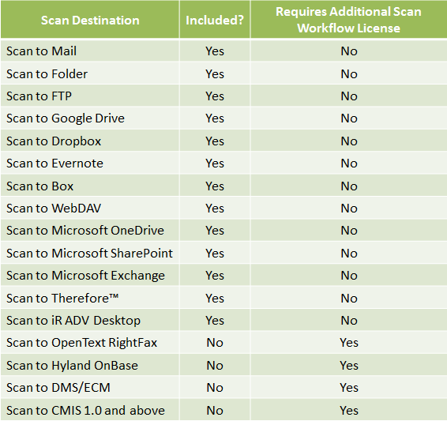

Please Note:
 | Only ONE license of the Additional Scan Workflow License is needed per DMS/ECM Destination, per system.
 | For example, if a Customer has 10 devices in their environment, and wants HP WorkSite for all 10 devices, then they
 | would only need to order ONE Additional Scan Workflow License, then select HP WorkSite in the dropdown menu
 | when setting up the licenses on the uniFLOW Server. In the same scenario, if the Customer would also like to add
 | IBM FileNet on all 10 devices, then they would only need to purchase ONE more Additional Scan Workflow License.

MiCard PLUS C Supported Card Types

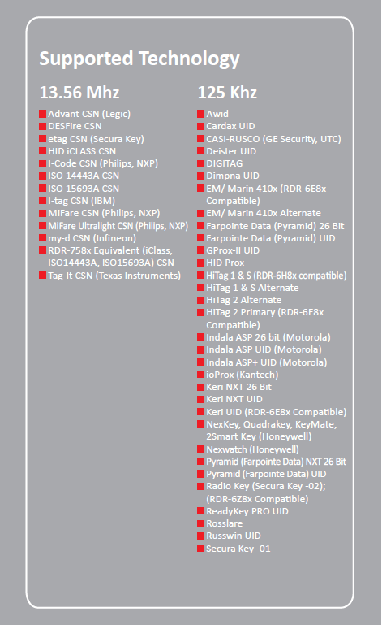

MiCard MultiTech4 Supported Card Types

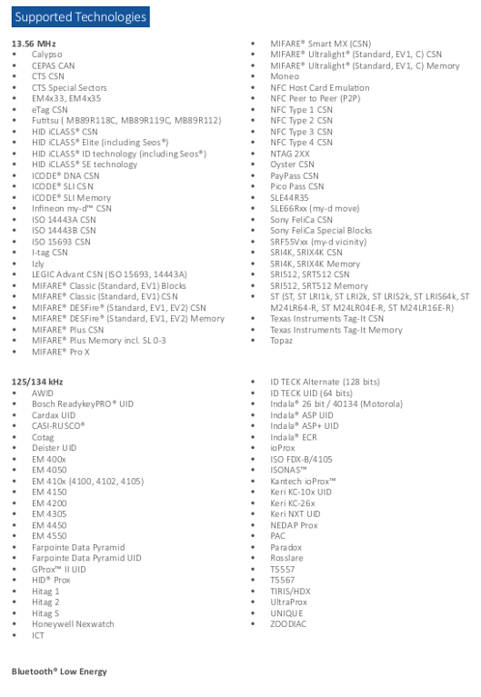

uniFLOW Software Assurance (SA Points) Information

uniFLOW is bundled with the 1st year of Software Assurance, which entitles customers to telephone support through
their authorized dealer, major and minor version upgrades, and bug fixes and patches. Product updates are vital
in maintaining the on-going operation of uniFLOW and in delivering new functional capabilities. In addition,
access to phone-based technical support is also important to ensure rapid resolution to problems that may be
encountered in configuring or using the software.
...
Step 3: On the “INFO” page click on the “Show Maintenance Expiration” button

Step 4: uniFLOW will display a new window with the information on Software Maintenance Expiration

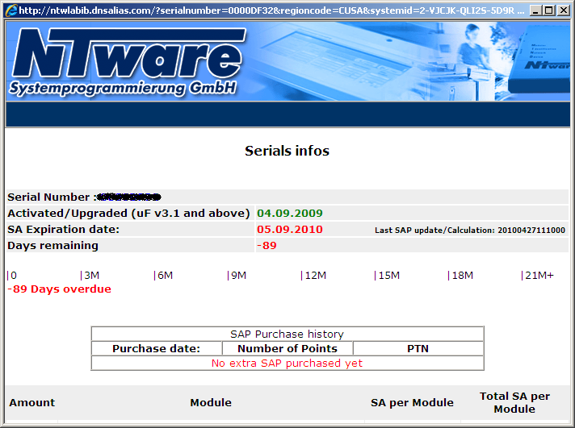

uniFLOW Software Assurance (SA Points) Information (Continued)

Step 5: Alternatively, Software Assurance can be checked at the following website: http://web.nt-ware.net/license/serialinfo.php

Note: The uniFLOW Base serial number is required to obtain the Software Assurance information.
The base serial number is an 8 character code (alphanumeric). Example: 0000AB8A

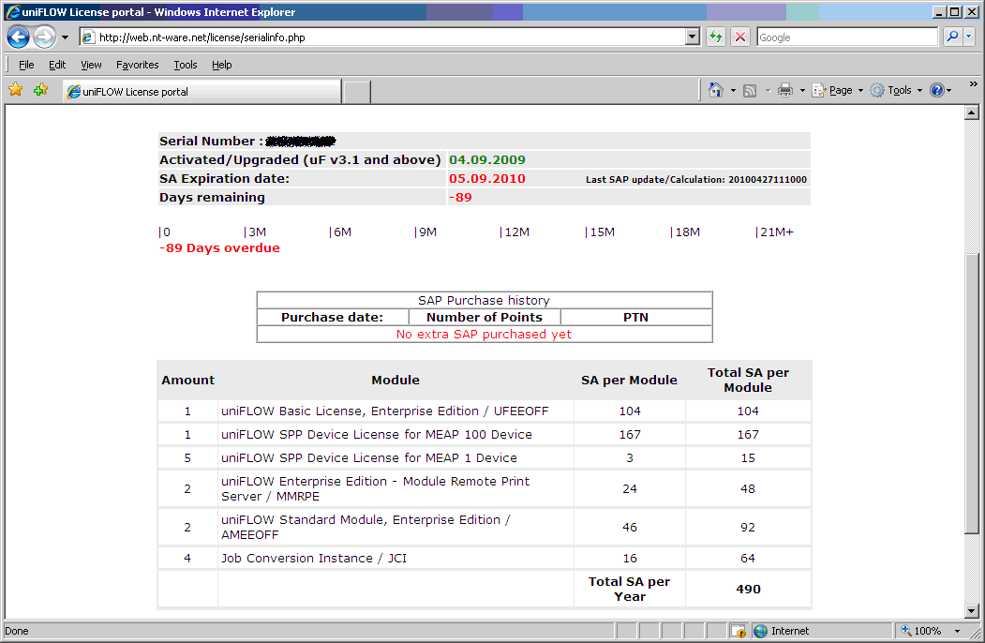

Don’t risk missing out on your ability to access technical support or the new improvements NT-ware has made to uniFLOW by
becoming ineligible for maintenance.

Please contact your Canon Sales Rep for information about uniFLOW Software Assurance, and for instructions on how to
purchase this important on-going coverage.

Note: When ordering Software Assurance Points, the uniFLOW base serial number is required. It can be entered into the
“Special Instructions” field on the Canon Ordering screen. More details can be obtained from your Regional Admin group.
...
Opening a PS #

A PS # is required when placing an order for a Copy Control Cable for Multi-Vendor Devices, RIAS, Customization Units,
Upgrades, and the uniFLOW Release Station Exchange Program.

A PS # can only be opened by a uniFLOW Certified Technician.

To open a PS #, please visit the NT-ware website: https://ntware.atlassian.net/servicedesk/customer/portals
When the Create Issue screen pops up, please fill in as much detail as possible, and click Create.
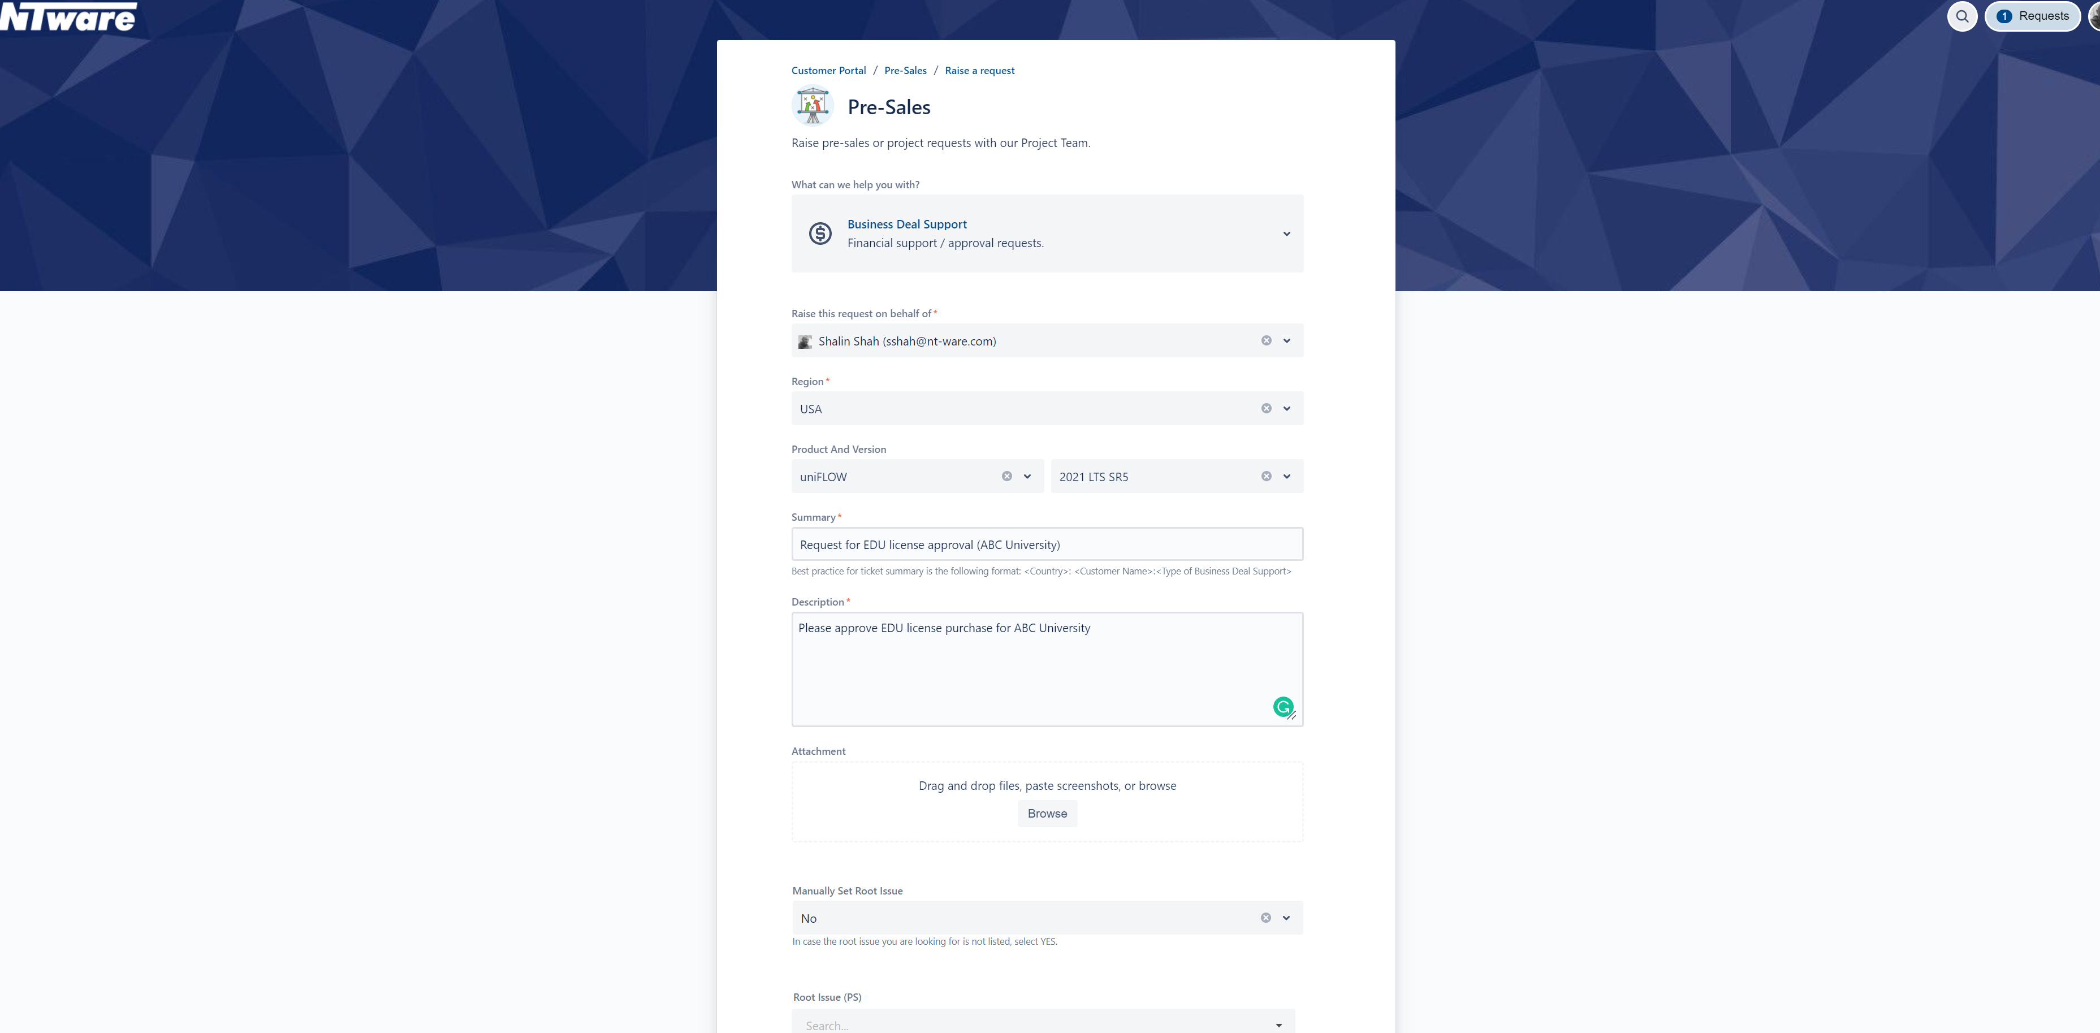
...
A RMA Ticket is required for replacement of any defective NT-ware Hardware, such as a MI Card reader, a micro MIND, or a uniFLOW
Release Station. Of course, the Hardware must be under warranty. Please check the NT-ware Hardware Warranty Guide located on
the ISG Marketing website for more information.

A RMA Ticket can only be opened by a uniFLOW Certified Technician.

To open a RMA Ticket, please visit the NT-ware website: https://ntware.atlassian.net/servicedesk/customer/portals
When the Create Issue screen pops up, please fill in as much detail as possible, and click Create.

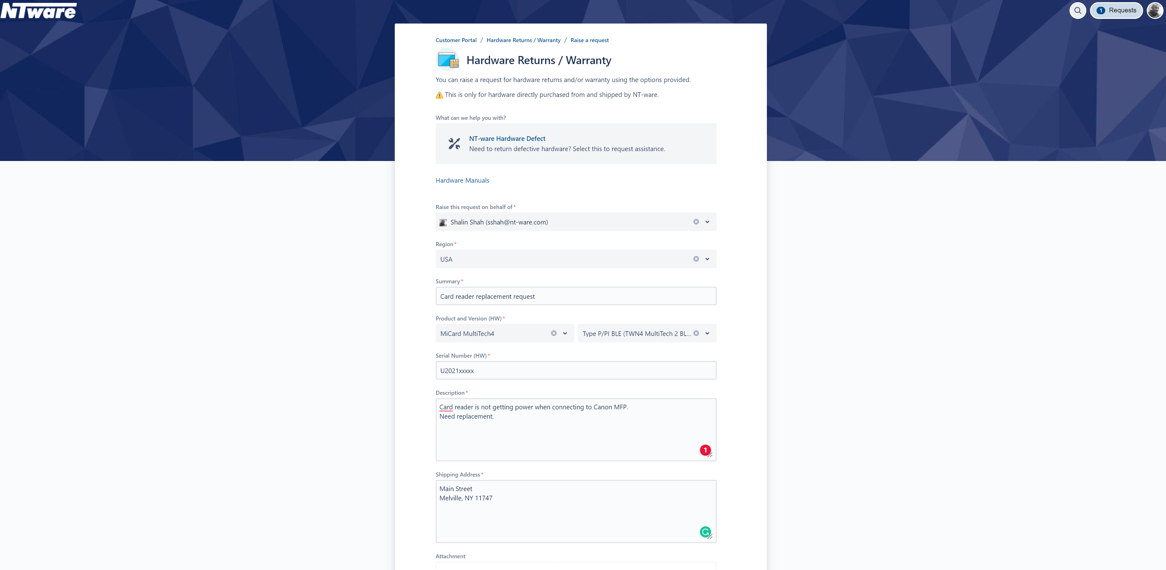

Device Connections

